Values
Test Runs | Training Lists | Test Lists | Train Accuracy | Test Accuracy | Training Accuracy Loss | Testing Accuracy Loss | Training and Validation Loss Graph | Training and Validation Accuracy Graph
1 | [31, 29, 43, 3, 51, 39, 15, 36, 49, 20, 35, 0, 19, 45, 48, 1, 28, 50, 2, 5, 52, 44, 41, 46, 38, 9, 37, 33, 47, 13, 40, 24, 10, 26, 34, 22, 7, 12, 27, 23, 14, 21, 18, 8] | [42, 4, 16, 25, 11, 30, 6, 17, 32] | 0.98341524601 | 0.89039039612 | 0.0896 | 43.4635 | 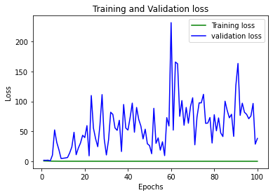 | 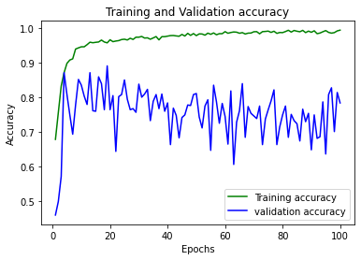
2 | [13, 16, 31, 24, 11, 35, 14, 3, 27, 4, 47, 10, 2, 49, 26, 0, 38, 40, 46, 6, 7, 41, 5, 28, 45, 37, 33, 20, 12, 9, 15, 18, 51, 17, 42, 39, 43, 8, 22, 34, 30, 21, 36, 48] | [52, 32, 25, 44, 29, 23, 50, 1, 19] | 0.97082310915 | 0.96546548605 | 0.1074 | 0.3274 | 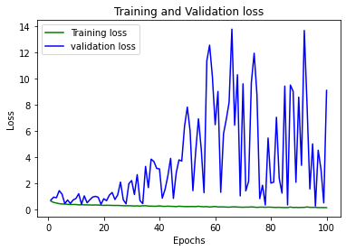 | 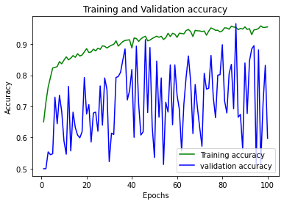
3 | [29, 5, 2, 49, 45, 18, 40, 21, 30, 4, 50, 37, 35, 25, 33, 26, 48, 36, 31, 28, 7, 16, 14, 51, 46, 13, 41, 17, 52, 23, 20, 9, 10, 24, 44, 15, 43, 32, 12, 3, 8, 38, 47, 22] | [42, 39, 27, 6, 34, 0, 11, 1, 19] | 0.616707623 | 0.66666668653 | 1.9765 | 1.5141 | 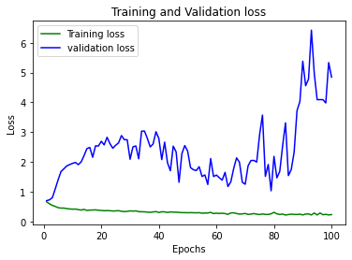 | 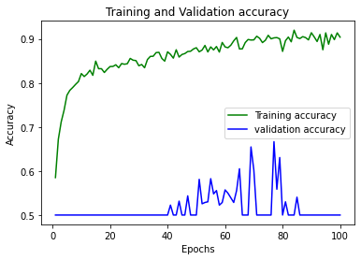
4 | [36, 47, 39, 24, 52, 29, 42, 34, 51, 27, 0, 37, 50, 25, 20, 33, 3, 45, 43, 48, 49, 5, 35, 12, 4, 18, 19, 14, 41, 40, 2, 44, 7, 28, 46, 16, 10, 23, 26, 30, 15, 32, 31, 22] | [1, 8, 13, 17, 6, 21, 11, 9, 38] | 0.82708847523 | 0.78678679466 | 0.4189 | 0.9282 | 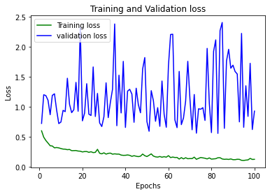 | 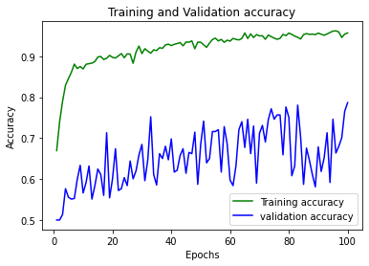
5 | [15, 34, 47, 33, 16, 27, 22, 41, 12, 30, 24, 26, 3, 8, 37, 0, 6, 29, 25, 19, 32, 38, 4, 9, 40, 28, 48, 45, 2, 18, 21, 13, 20, 46, 31, 1, 44, 10, 7, 39, 52, 36, 23, 50] | [5, 35, 49, 42, 17, 51, 43, 11, 14] | 0.80804669857 | 0.804804801940918 | 0.3712 | 19.3165 | 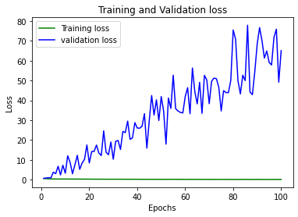 | 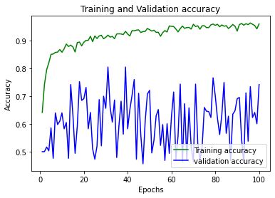
6 | [12, 16, 45, 19, 21, 29, 11, 1, 38, 48, 43, 13, 33, 35, 47, 34, 52, 26, 8, 4, 6, 22, 28, 2, 36, 42, 17, 9, 5, 25, 14, 30, 32, 7, 18, 39, 51, 37, 50, 24, 49, 0, 41, 10] | [15, 44, 3, 31, 46, 23, 40, 20, 27] | 0.67905408144 | 0.75375378132 | 3.8159 | 3.5544 | 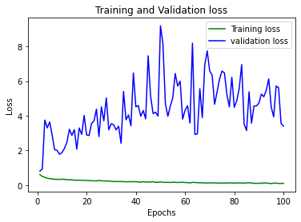 | 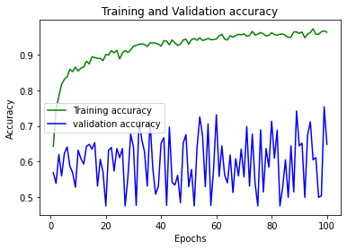
7 | [4, 29, 20, 48, 3, 23, 12, 22, 11, 13, 36, 24, 7, 50, 26, 44, 49, 32, 14, 43, 40, 17, 38, 16, 2, 9, 0, 51, 34, 31, 33, 47, 8, 21, 35, 1, 5, 52, 10, 25, 42, 30, 19, 39] | [18, 27, 37, 45, 46, 15, 41, 28, 6] | 0.94717442989 | 0.92342340946 | 0.1579 | 35.3963 | 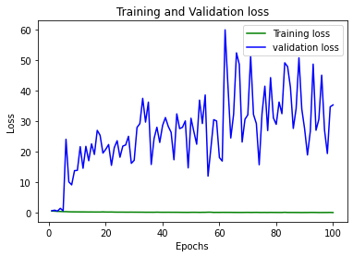 | 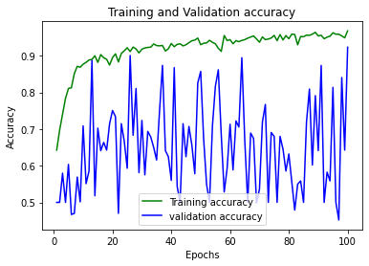
8 | [27, 0, 25, 20, 31, 9, 39, 42, 45, 6, 4, 14, 44, 19, 26, 50, 12, 33, 51, 43, 29, 21, 17, 5, 48, 15, 11, 40, 8, 36, 34, 16, 38, 28, 22, 30, 35, 49, 23, 3, 52, 46, 2, 1] | [37, 18, 13, 47, 41, 10, 32, 7, 24] | 0.86547911167 | 0.83483481407 | 0.302 | 0.833 | 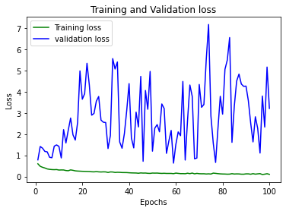 | 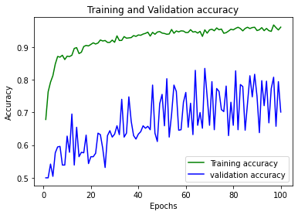
9 | [14, 34, 32, 43, 48, 9, 18, 38, 28, 12, 6, 0, 31, 50, 7, 40, 39, 30, 23, 49, 41, 11, 15, 19, 3, 26, 36, 35, 29, 5, 13, 27, 24, 16, 37, 22, 10, 17, 51, 45, 21, 52, 4, 33] | [46, 1, 2, 42, 44, 20, 47, 25, 8] | 0.5574324131 | 0.70270270109 | 0.708 | 0.6858 | 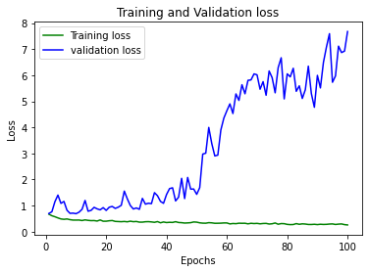 | 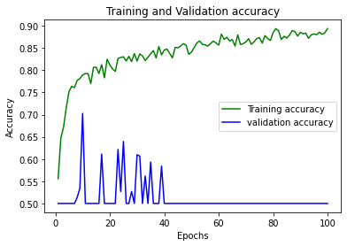
10 | [29, 21, 14, 25, 19, 7, 34, 12, 6, 4, 2, 0, 9, 41, 31, 50, 35, 51, 42, 5, 11, 47, 40, 24, 27, 32, 52, 48, 37, 45, 22, 49, 20, 33, 16, 36, 18, 43, 44, 30, 8, 3, 26, 28] | [15, 23, 46, 10, 13, 1, 39, 17, 38] | 0.85565108061 | 0.83783781528 | 0.357 | 0.5 | 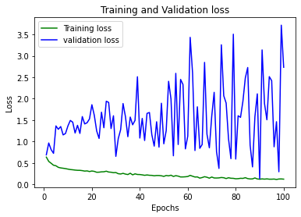 | 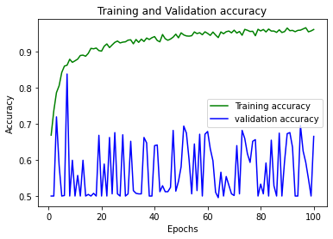
11 | [19, 41, 36, 29, 12, 37, 11, 6, 16, 48, 34, 45, 18, 22, 46, 40, 27, 26, 24, 0, 25, 38, 21, 8, 44, 7, 5, 1, 10, 14, 13, 47, 31, 35, 20, 49, 42, 17, 2, 30, 15, 33, 32, 28] | [52, 39, 23, 3, 43, 4, 50, 51, 9] | 0.84613019228 | 0.95945948362 | 0.3412 | 0.1343 |  | 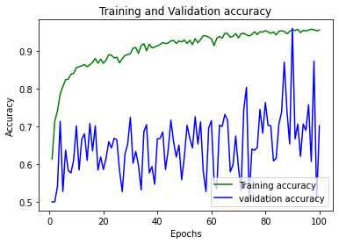
12 | [4, 46, 38, 29, 6, 13, 31, 8, 21, 25, 42, 52, 48, 45, 34, 20, 5, 11, 7, 24, 1, 32, 37, 23, 15, 2, 14, 44, 12, 17, 10, 41, 43, 40, 49, 50, 36, 47, 28, 39, 27, 26, 0, 18] | [33, 30, 19, 9, 16, 3, 35, 51, 22] | 0.85411548615 | 0.89639639854 | 0.3392 | 6.8688 | 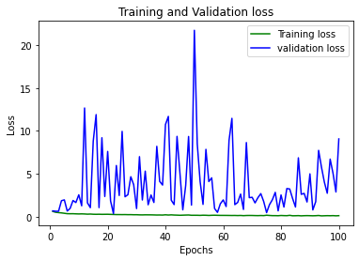 | 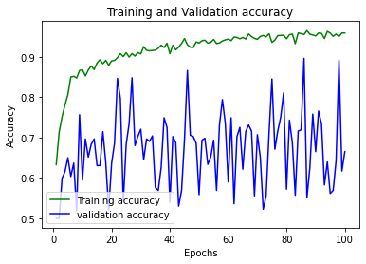

*** Averages (Training Accuracy/Test Accuracy) ***
Training Accuracy= 0.817593162
Testing/Validation Accuracy= 0.837974342
Training Accuracy Loss= 0.748733333
Testing/Validation Accuracy Loss= 9.460191667

0.81759316226 | 0.83797434243
0.74873333333 | 9.4601916667

VIsualizations
*** Data Analysis/Data Insights *** | Pivot Tables
 | Training Accuracy List | Average of Training Accuracy Loss
 | [15, 44, 3, 31, 46, 23, 40, 20, 27] | 3.8159
'Train Accuracy', 'Test Accuracy' by 'Test Runs'
 | Train Accuracy | Test Accuracy
1 | 0.98341524601 | 0.89039039612
2 | 0.97082310915 | 0.96546548605
3 | 0.616707623 | 0.66666668653
4 | 0.82708847523 | 0.78678679466
5 | 0.80804669857 | 0
6 | 0.67905408144 | 0.75375378132
7 | 0.94717442989 | 0.92342340946
8 | 0.86547911167 | 0.83483481407
9 | 0.5574324131 | 0.70270270109
10 | 0.85565108061 | 0.83783781528
11 | 0.84613019228 | 0.95945948362
12 | 0.85411548615 | 0.89639639854
 | [42, 39, 27, 6, 34, 0, 11, 1, 19] | 1.9765
 | [46, 1, 2, 42, 44, 20, 47, 25, 8] | 0.708
 | [1, 8, 13, 17, 6, 21, 11, 9, 38] | 0.4189
 | [5, 35, 49, 42, 17, 51, 43, 11, 14] | 0.3712
 | [15, 23, 46, 10, 13, 1, 39, 17, 38] | 0.357
 | [52, 39, 23, 3, 43, 4, 50, 51, 9] | 0.3412
 | [33, 30, 19, 9, 16, 3, 35, 51, 22] | 0.3392
 | [37, 18, 13, 47, 41, 10, 32, 7, 24] | 0.302
 | [18, 27, 37, 45, 46, 15, 41, 28, 6] | 0.1579
 | [52, 32, 25, 44, 29, 23, 50, 1, 19] | 0.1074
 | [42, 4, 16, 25, 11, 30, 6, 17, 32] | 0.0896
 | Grand Total | 0.74873333333
 | Testing Accuracy List | Average of Testing Accuracy Loss
 | [42, 4, 16, 25, 11, 30, 6, 17, 32] | 43.4635
 | [18, 27, 37, 45, 46, 15, 41, 28, 6] | 35.3963
 | [5, 35, 49, 42, 17, 51, 43, 11, 14] | 19.3165
 | [33, 30, 19, 9, 16, 3, 35, 51, 22] | 6.8688
 | [15, 44, 3, 31, 46, 23, 40, 20, 27] | 3.5544
 | [42, 39, 27, 6, 34, 0, 11, 1, 19] | 1.5141
 | [1, 8, 13, 17, 6, 21, 11, 9, 38] | 0.9282
 | [37, 18, 13, 47, 41, 10, 32, 7, 24] | 0.833
 | [46, 1, 2, 42, 44, 20, 47, 25, 8] | 0.6858
 | [15, 23, 46, 10, 13, 1, 39, 17, 38] | 0.5
 | [52, 32, 25, 44, 29, 23, 50, 1, 19] | 0.3274
 | [52, 39, 23, 3, 43, 4, 50, 51, 9] | 0.1343
 | Grand Total | 9.4601916667
 | Testing Accuracy List | Average of Test Accuracy | Count of Test Runs | Average of Train Accuracy
 | [52, 32, 25, 44, 29, 23, 50, 1, 19] | 0.97 | 1 | 0.97082310915
 | [52, 39, 23, 3, 43, 4, 50, 51, 9] | 0.96 | 1 | 0.84613019228
 | [18, 27, 37, 45, 46, 15, 41, 28, 6] | 0.92 | 1 | 0.94717442989
 | [33, 30, 19, 9, 16, 3, 35, 51, 22] | 0.90 | 1 | 0.85411548615
 | [42, 4, 16, 25, 11, 30, 6, 17, 32] | 0.89 | 1 | 0.98341524601
 | [15, 23, 46, 10, 13, 1, 39, 17, 38] | 0.84 | 1 | 0.85565108061
 | [37, 18, 13, 47, 41, 10, 32, 7, 24] | 0.83 | 1 | 0.86547911167
 | [1, 8, 13, 17, 6, 21, 11, 9, 38] | 0.79 | 1 | 0.82708847523
 | [15, 44, 3, 31, 46, 23, 40, 20, 27] | 0.75 | 1 | 0.67905408144
 | [46, 1, 2, 42, 44, 20, 47, 25, 8] | 0.70 | 1 | 0.5574324131
 | [42, 39, 27, 6, 34, 0, 11, 1, 19] | 0.67 | 1 | 0.616707623
 | [5, 35, 49, 42, 17, 51, 43, 11, 14] | #DIV/0! | 1 | 0.80804669857
 | Grand Total | 0.84 | 12 | 0.81759316226

'Test Lists': [42, 4, 16, 25, 11, 30, 6, 17, 32] and [18, 27, 37, 45, 46, 15, 41, 28, 6] have noticeably higher 'Testing Accuracy Loss'.

'Test Lists': [15, 44, 3, 31, 46, 23, 40, 20, 27] has noticeably higher 'Training Accuracy Loss'.

'Test Accuracy' by 'Test Runs'
 | Test Accuracy
1 | 0.89039039612
2 | 0.96546548605
3 | 0.66666668653
4 | 0.78678679466
5 | 0
6 | 0.75375378132
7 | 0.92342340946
8 | 0.83483481407
9 | 0.70270270109
10 | 0.83783781528
11 | 0.95945948362
12 | 0.89639639854

Field: Train Accuracy and Field: Test Accuracy appear highly correlated.
 | Test Accuracy
0.98341524601 | 0.89039039612
0.97082310915 | 0.96546548605
0.616707623 | 0.66666668653
0.82708847523 | 0.78678679466
0.80804669857 | 0
0.67905408144 | 0.75375378132
0.94717442989 | 0.92342340946
0.86547911167 | 0.83483481407
0.5574324131 | 0.70270270109
0.85565108061 | 0.83783781528
0.84613019228 | 0.95945948362
0.85411548615 | 0.89639639854

'Train Accuracy', 'Test Accuracy' by 'Test Runs'
 | Train Accuracy | Test Accuracy
1 | 0.98341524601 | 0.89039039612
2 | 0.97082310915 | 0.96546548605
3 | 0.616707623 | 0.66666668653
4 | 0.82708847523 | 0.78678679466
5 | 0.80804669857 | 0
6 | 0.67905408144 | 0.75375378132
7 | 0.94717442989 | 0.92342340946
8 | 0.86547911167 | 0.83483481407
9 | 0.5574324131 | 0.70270270109
10 | 0.85565108061 | 0.83783781528
11 | 0.84613019228 | 0.95945948362
12 | 0.85411548615 | 0.89639639854

'Train Accuracy', 'Test Accuracy' by 'Test Runs'
 | Train Accuracy | Test Accuracy
1 | 0.98341524601 | 0.89039039612
2 | 0.97082310915 | 0.96546548605
3 | 0.616707623 | 0.66666668653
4 | 0.82708847523 | 0.78678679466
5 | 0.80804669857 | 0
6 | 0.67905408144 | 0.75375378132
7 | 0.94717442989 | 0.92342340946
8 | 0.86547911167 | 0.83483481407
9 | 0.5574324131 | 0.70270270109
10 | 0.85565108061 | 0.83783781528
11 | 0.84613019228 | 0.95945948362
12 | 0.85411548615 | 0.89639639854

'Test Accuracy' by 'Test Runs'
 | Test Accuracy
1 | 0.89039039612
2 | 0.96546548605
3 | 0.66666668653
4 | 0.78678679466
5 | 0
6 | 0.75375378132
7 | 0.92342340946
8 | 0.83483481407
9 | 0.70270270109
10 | 0.83783781528
11 | 0.95945948362
12 | 0.89639639854

Field: Test Accuracy appears highly determined by Field: Training Accuracy Loss.
 | Test Accuracy
0.0896 | 0.89039039612
0.1074 | 0.96546548605
1.9765 | 0.66666668653
0.4189 | 0.78678679466
0.3712 | 0
3.8159 | 0.75375378132
0.1579 | 0.92342340946
0.302 | 0.83483481407
0.708 | 0.70270270109
0.357 | 0.83783781528
0.3412 | 0.95945948362
0.3392 | 0.89639639854

'Testing Accuracy Loss' by 'Test Runs'
 | Testing Accuracy Loss
1 | 43.4635
2 | 0.3274
3 | 1.5141
4 | 0.9282
5 | 19.3165
6 | 3.5544
7 | 35.3963
8 | 0.833
9 | 0.6858
10 | 0.5
11 | 0.1343
12 | 6.8688

Field: Training Accuracy Loss appears highly determined by Field: Testing Accuracy Loss.
 | Training Accuracy Loss
43.4635 | 0.0896
0.3274 | 0.1074
1.5141 | 1.9765
0.9282 | 0.4189
19.3165 | 0.3712
3.5544 | 3.8159
35.3963 | 0.1579
0.833 | 0.302
0.6858 | 0.708
0.5 | 0.357
0.1343 | 0.3412
6.8688 | 0.3392

Field: Train Accuracy and Field: Training Accuracy Loss appear highly dependent on each other.
 | Training Accuracy Loss
0.98341524601 | 0.0896
0.97082310915 | 0.1074
0.616707623 | 1.9765
0.82708847523 | 0.4189
0.80804669857 | 0.3712
0.67905408144 | 3.8159
0.94717442989 | 0.1579
0.86547911167 | 0.302
0.5574324131 | 0.708
0.85565108061 | 0.357
0.84613019228 | 0.3412
0.85411548615 | 0.3392

Field: Test Runs appears highly determined by Field: Training Accuracy Loss.
 | Test Runs
0.0896 | 1
0.1074 | 2
1.9765 | 3
0.4189 | 4
0.3712 | 5
3.8159 | 6
0.1579 | 7
0.302 | 8
0.708 | 9
0.357 | 10
0.3412 | 11
0.3392 | 12

'Testing Accuracy Loss' by 'Test Runs'
 | Testing Accuracy Loss
1 | 43.4635
2 | 0.3274
3 | 1.5141
4 | 0.9282
5 | 19.3165
6 | 3.5544
7 | 35.3963
8 | 0.833
9 | 0.6858
10 | 0.5
11 | 0.1343
12 | 6.8688

'Testing Accuracy Loss' by 'Test Runs'
 | Testing Accuracy Loss
1 | 43.4635
2 | 0.3274
3 | 1.5141
4 | 0.9282
5 | 19.3165
6 | 3.5544
7 | 35.3963
8 | 0.833
9 | 0.6858
10 | 0.5
11 | 0.1343
12 | 6.8688

'Testing Accuracy Loss' by 'Test Runs'
 | Testing Accuracy Loss
1 | 43.4635
2 | 0.3274
3 | 1.5141
4 | 0.9282
5 | 19.3165
6 | 3.5544
7 | 35.3963
8 | 0.833
9 | 0.6858
10 | 0.5
11 | 0.1343
12 | 6.8688

